Adword Central Tendency
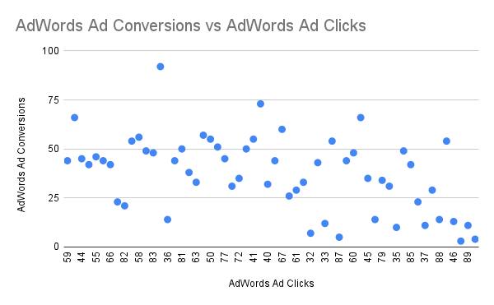
 |  |  | Mean | 60.383561644 | 5.9808219178
Date | AdWords Ad Clicks | AdWords Ad Conversions |  | Clicks | Conversion
2023-01-01 | 59 | 5 | Mean | 60.383561644 | 5.9808219178
2023-01-02 | 71 | 6 | Median | 60 | 6
2023-01-03 | 44 | 4 | Mode | 78 | 5
2023-01-04 | 49 | 5 | Standard Deviation | 14.368224765 | 1.6281062901
2023-01-05 | 55 | 7
2023-01-06 | 51 | 4
2023-01-07 | 66 | 7 | Correlation Coefficient | 0.44799320095
2023-01-08 | 69 | 4
2023-01-09 | 82 | 9
2023-01-10 | 48 | 5
2023-01-11 | 58 | 7
2023-01-12 | 68 | 8
2023-01-13 | 83 | 7
2023-01-14 | 78 | 9
2023-01-15 | 36 | 3
2023-01-16 | 48 | 6
2023-01-17 | 52 | 5
2023-01-18 | 49 | 6
2023-01-19 | 68 | 4
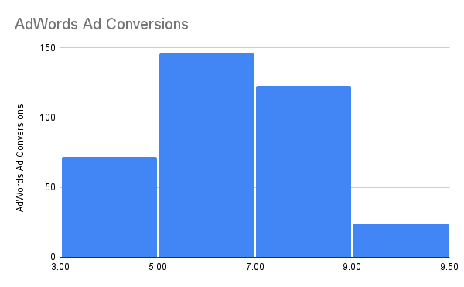
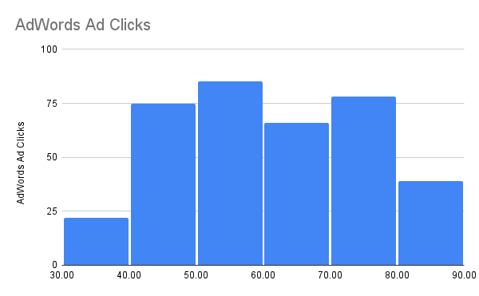
2023-01-20 | 81 | 7
2023-01-21 | 49 | 3
2023-01-22 | 43 | 4
2023-01-23 | 63 | 7
2023-01-24 | 80 | 6
2023-01-25 | 50 | 7
2023-01-26 | 53 | 4
2023-01-27 | 77 | 6
2023-01-28 | 44 | 7
2023-01-29 | 78 | 8
2023-01-30 | 42 | 5
2023-01-31 | 50 | 4
2023-02-01 | 72 | 6
2023-02-02 | 76 | 6
2023-02-03 | 41 | 5
2023-02-04 | 49 | 5
2023-02-05 | 78 | 9
2023-02-06 | 69 | 7
2023-02-07 | 58 | 7
2023-02-08 | 48 | 4
2023-02-09 | 44 | 4
2023-02-10 | 43 | 5 |  | Variables Classification
2023-02-11 | 71 | 8 |  | AdWords Ad Views: Quantitative-Discrete
2023-02-12 | 74 | 5 |  | AdWords Ad Clicks: Quantitative-Discrete
2023-02-13 | 74 | 5 |  | Cost per AdWords Ad: Quantitative-Continuous
2023-02-14 | 80 | 8 |  | AdWords Click-Through Rate: Quantitative-Continuous
2023-02-15 | 40 | 3 |  | AdWords Conversion Rate: Quantitative-Continuous
2023-02-16 | 63 | 8 |  | AdWords Cost per Click: Quantitative-Continuous
2023-02-17 | 36 | 7
2023-02-18 | 74 | 7
2023-02-19 | 62 | 4
2023-02-20 | 67 | 7
2023-02-21 | 64 | 7
2023-02-22 | 61 | 8
2023-02-23 | 74 | 5
2023-02-24 | 71 | 9
2023-02-25 | 52 | 4
2023-02-26 | 66 | 7
2023-02-27 | 47 | 7
2023-02-28 | 32 | 3
2023-03-01 | 68 | 4
2023-03-02 | 51 | 6
2023-03-03 | 42 | 6
2023-03-04 | 50 | 4
2023-03-05 | 56 | 8
2023-03-06 | 71 | 6
2023-03-07 | 33 | 5
2023-03-08 | 70 | 9
2023-03-09 | 33 | 7
2023-03-10 | 62 | 5
2023-03-11 | 87 | 5
2023-03-12 | 65 | 7
2023-03-13 | 60 | 4
2023-03-14 | 44 | 5
2023-03-15 | 66 | 8
2023-03-16 | 58 | 4
2023-03-17 | 54 | 4
2023-03-18 | 70 | 7
2023-03-19 | 45 | 4
2023-03-20 | 34 | 4
2023-03-21 | 41 | 6
2023-03-22 | 66 | 4
2023-03-23 | 55 | 8
2023-03-24 | 78 | 9
2023-03-25 | 41 | 3
2023-03-26 | 68 | 5
2023-03-27 | 74 | 7
2023-03-28 | 62 | 5
2023-03-29 | 40 | 5
2023-03-30 | 67 | 5
2023-03-31 | 79 | 9
2023-04-01 | 59 | 5
2023-04-02 | 73 | 9
2023-04-03 | 56 | 7
2023-04-04 | 82 | 5
2023-04-05 | 62 | 5
2023-04-06 | 76 | 6
2023-04-07 | 35 | 5
2023-04-08 | 61 | 4
2023-04-09 | 65 | 7
2023-04-10 | 83 | 9
2023-04-11 | 35 | 5
2023-04-12 | 44 | 3
2023-04-13 | 57 | 5
2023-04-14 | 76 | 7
2023-04-15 | 48 | 7
2023-04-16 | 62 | 8
2023-04-17 | 45 | 7
2023-04-18 | 34 | 4
2023-04-19 | 51 | 8
2023-04-20 | 85 | 8
2023-04-21 | 59 | 4
2023-04-22 | 67 | 8
2023-04-23 | 77 | 9
2023-04-24 | 60 | 7
2023-04-25 | 53 | 6
2023-04-26 | 84 | 5
2023-04-27 | 37 | 3
2023-04-28 | 67 | 8
2023-04-29 | 57 | 7
2023-04-30 | 83 | 8
2023-05-01 | 70 | 5
2023-05-02 | 67 | 5
2023-05-03 | 37 | 5
2023-05-04 | 58 | 4
2023-05-05 | 68 | 4
2023-05-06 | 72 | 9
2023-05-07 | 60 | 5
2023-05-08 | 41 | 5
2023-05-09 | 40 | 5
2023-05-10 | 49 | 7
2023-05-11 | 52 | 5
2023-05-12 | 78 | 7
2023-05-13 | 83 | 8
2023-05-14 | 38 | 6
2023-05-15 | 41 | 7
2023-05-16 | 72 | 5
2023-05-17 | 54 | 6
2023-05-18 | 36 | 4
2023-05-19 | 54 | 5
2023-05-20 | 55 | 5
2023-05-21 | 45 | 6
2023-05-22 | 83 | 8
2023-05-23 | 55 | 8
2023-05-24 | 41 | 6
2023-05-25 | 73 | 6
2023-05-26 | 77 | 5
2023-05-27 | 88 | 5
2023-05-28 | 63 | 4
2023-05-29 | 60 | 7
2023-05-30 | 76 | 8
2023-05-31 | 48 | 4
2023-06-01 | 58 | 6
2023-06-02 | 45 | 5
2023-06-03 | 56 | 7
2023-06-04 | 73 | 5
2023-06-05 | 48 | 7
2023-06-06 | 71 | 5
2023-06-07 | 70 | 5
2023-06-08 | 60 | 5
2023-06-09 | 56 | 7
2023-06-10 | 85 | 5
2023-06-11 | 53 | 7
2023-06-12 | 80 | 6
2023-06-13 | 54 | 8
2023-06-14 | 59 | 4
2023-06-15 | 40 | 4
2023-06-16 | 75 | 9
2023-06-17 | 53 | 8
2023-06-18 | 84 | 7
2023-06-19 | 78 | 9
2023-06-20 | 76 | 6
2023-06-21 | 67 | 8
2023-06-22 | 80 | 6
2023-06-23 | 52 | 5
2023-06-24 | 50 | 7
2023-06-25 | 71 | 5
2023-06-26 | 50 | 4
2023-06-27 | 81 | 9
2023-06-28 | 65 | 5
2023-06-29 | 48 | 7
2023-06-30 | 54 | 6
2023-07-01 | 75 | 7
2023-07-02 | 74 | 8
2023-07-03 | 85 | 6
2023-07-04 | 54 | 6
2023-07-05 | 43 | 7
2023-07-06 | 54 | 6
2023-07-07 | 54 | 8
2023-07-08 | 55 | 5
2023-07-09 | 57 | 7
2023-07-10 | 49 | 4
2023-07-11 | 79 | 8
2023-07-12 | 80 | 7
2023-07-13 | 47 | 3
2023-07-14 | 73 | 5
2023-07-15 | 46 | 4
2023-07-16 | 67 | 7
2023-07-17 | 72 | 6
2023-07-18 | 81 | 9
2023-07-19 | 38 | 7
2023-07-20 | 41 | 4
2023-07-21 | 78 | 5
2023-07-22 | 75 | 5
2023-07-23 | 56 | 6
2023-07-24 | 57 | 8
2023-07-25 | 53 | 6
2023-07-26 | 74 | 7
2023-07-27 | 75 | 7
2023-07-28 | 78 | 9
2023-07-29 | 37 | 3
2023-07-30 | 78 | 8
2023-07-31 | 83 | 8
2023-08-01 | 41 | 6
2023-08-02 | 59 | 8
2023-08-03 | 68 | 6
2023-08-04 | 62 | 5
2023-08-05 | 46 | 3
2023-08-06 | 88 | 9
2023-08-07 | 42 | 7
2023-08-08 | 54 | 7
2023-08-09 | 46 | 3
2023-08-10 | 57 | 5
2023-08-11 | 50 | 3
2023-08-12 | 62 | 6
2023-08-13 | 85 | 8
2023-08-14 | 81 | 5
2023-08-15 | 41 | 3
2023-08-16 | 76 | 9
2023-08-17 | 66 | 7
2023-08-18 | 70 | 6
2023-08-19 | 68 | 5
2023-08-20 | 61 | 4
2023-08-21 | 32 | 4
2023-08-22 | 47 | 7
2023-08-23 | 43 | 6
2023-08-24 | 42 | 7
2023-08-25 | 63 | 7
2023-08-26 | 71 | 7
2023-08-27 | 69 | 7
2023-08-28 | 57 | 8
2023-08-29 | 58 | 6
2023-08-30 | 39 | 3
2023-08-31 | 81 | 6
2023-09-01 | 80 | 9
2023-09-02 | 48 | 7
2023-09-03 | 74 | 8
2023-09-04 | 53 | 7
2023-09-05 | 52 | 5
2023-09-06 | 82 | 7
2023-09-07 | 57 | 4
2023-09-08 | 48 | 3
2023-09-09 | 80 | 9
2023-09-10 | 45 | 7
2023-09-11 | 56 | 8
2023-09-12 | 44 | 6
2023-09-13 | 70 | 4
2023-09-14 | 64 | 5
2023-09-15 | 65 | 4
2023-09-16 | 61 | 8
2023-09-17 | 84 | 5
2023-09-18 | 78 | 7
2023-09-19 | 78 | 6
2023-09-20 | 44 | 5
2023-09-21 | 51 | 7
2023-09-22 | 60 | 8
2023-09-23 | 78 | 6
2023-09-24 | 75 | 9
2023-09-25 | 58 | 5
2023-09-26 | 65 | 8
2023-09-27 | 66 | 4
2023-09-28 | 81 | 6
2023-09-29 | 38 | 4
2023-09-30 | 60 | 6
2023-10-01 | 53 | 6
2023-10-02 | 71 | 7
2023-10-03 | 50 | 7
2023-10-04 | 43 | 5
2023-10-05 | 77 | 5
2023-10-06 | 40 | 5
2023-10-07 | 70 | 6
2023-10-08 | 71 | 7
2023-10-09 | 66 | 5
2023-10-10 | 80 | 6
2023-10-11 | 43 | 6
2023-10-12 | 50 | 4
2023-10-13 | 89 | 6
2023-10-14 | 68 | 8
2023-10-15 | 52 | 4
2023-10-16 | 51 | 8
2023-10-17 | 40 | 7
2023-10-18 | 40 | 3
2023-10-19 | 50 | 5
2023-10-20 | 65 | 5
2023-10-21 | 47 | 7
2023-10-22 | 77 | 5
2023-10-23 | 55 | 6
2023-10-24 | 74 | 6
2023-10-25 | 76 | 8
2023-10-26 | 52 | 8
2023-10-27 | 67 | 7
2023-10-28 | 48 | 4
2023-10-29 | 63 | 7
2023-10-30 | 54 | 6
2023-10-31 | 38 | 5
2023-11-01 | 75 | 8
2023-11-02 | 73 | 6
2023-11-03 | 52 | 4
2023-11-04 | 49 | 6
2023-11-05 | 47 | 3
2023-11-06 | 65 | 8
2023-11-07 | 79 | 9
2023-11-08 | 43 | 5
2023-11-09 | 58 | 4
2023-11-10 | 52 | 4
2023-11-11 | 44 | 4
2023-11-12 | 44 | 4
2023-11-13 | 61 | 5
2023-11-14 | 84 | 6
2023-11-15 | 53 | 7
2023-11-16 | 60 | 6
2023-11-17 | 79 | 8
2023-11-18 | 85 | 8
2023-11-19 | 74 | 8
2023-11-20 | 69 | 5
2023-11-21 | 51 | 5
2023-11-22 | 51 | 6
2023-11-23 | 81 | 8
2023-11-24 | 70 | 7
2023-11-25 | 58 | 5
2023-11-26 | 77 | 5
2023-11-27 | 58 | 8
2023-11-28 | 46 | 3
2023-11-29 | 41 | 7
2023-11-30 | 68 | 5
2023-12-01 | 67 | 5
2023-12-02 | 45 | 3
2023-12-03 | 42 | 6
2023-12-04 | 50 | 5
2023-12-05 | 75 | 9
2023-12-06 | 59 | 6
2023-12-07 | 70 | 5
2023-12-08 | 44 | 3
2023-12-09 | 85 | 7
2023-12-10 | 31 | 4
2023-12-11 | 50 | 5
2023-12-12 | 54 | 4
2023-12-13 | 55 | 7
2023-12-14 | 59 | 5
2023-12-15 | 77 | 5
2023-12-16 | 89 | 5
2023-12-17 | 64 | 6
2023-12-18 | 57 | 5
2023-12-19 | 74 | 7
2023-12-20 | 59 | 7
2023-12-21 | 41 | 3
2023-12-22 | 64 | 8
2023-12-23 | 45 | 3
2023-12-24 | 34 | 6
2023-12-25 | 77 | 5
2023-12-26 | 38 | 7
2023-12-27 | 72 | 9
2023-12-28 | 49 | 6
2023-12-29 | 62 | 6
2023-12-30 | 71 | 6
2023-12-31 | 47 | 6 |  | Clicks | Conversion

